LG&E-KU Custom LED Calculator

Commercial Rebate Program
 | Project Summary
 | Project Cost ($) | $0
 | On-Peak Demand Savings (kW) | 0.00 | Custom projects must save at least 1 kW during On-Peak times.
 | Energy savings (kWh) | 0
 | Rebate ($) | $0 | The rebate is rounded to nearest dollar and the lesser of the On-Peak demand savings x $100 or the total project cost.
 | Cost Savings ($) | $0
 | Simple Payback before Rebate (yrs) | -
 | Simple Payback after Rebate (yrs) | -

 | Instructions
 | Complete blue cells below

 | Notes
 | The KY average of $0.0864/kWh can be used if you are unsure of your current rate
 | Watts per fixture can be obtained from ASHRAE 90.1 Tables tab or supporting documents need to presented
 | New LED fixtures are eligible only if (1) UL certified, (2) Energy Star Certified and (3) Design Lights Consortium
 | On-Peak Demand savings occur from 2pm to 6pm, Monday through Friday, June through September

 | Utility Rate | $0.0864 | $/kWh

 |  | Existing |  |  |  |  |  |  |  | Installed |  |  |  |  |  |  |  | Project Costs |  |  | Project Savings |  |  |  |  |  |  |  | Custom projects must save at least 1kW during On-Peak times
Line Number | Location | Fixture Type | Number of lamps per fixture | Quantity of fixtures | Fixture Input Watts (W/fixture) | Total Input Power (kW) | Operating schedule | Annual operating hours (hr/yr) | Annual Energy Consumption (kWh) | Fixture Type | Number of lamps per fixture | Quantity of fixtures | Fixture Input Watts (W/fixture) | Total Input Power (kW) | Operating schedule | Annual operating hours (hr/yr) | Annual Energy Consumption (kWh) | Material Cost ($) | Labor Cost ($) | Total Cost ($) | On-Peak operating hours (Number of operating hours between 2pm-6pm) | On-Peak operating week days (Number of operating days between Monday and Friday) | On-Peak operating months (Number of operating months between June-September) | Input Power Reduction (kW) | On-Peak Demand Savings (kW) | Annual Energy Savings (kWh) | Annual Cost Savings ($) | Maximum Possible Rebate ($) | Rebate ($) | Payback before rebate (yrs) | Payback after rebate (yr) | Rebate/Total Cost (%)
Example | Gym | 400W High-Bay Metal Halide | 1 | 50 | 448 | 22.4 | 8am-5pm, M-F, Jan-Dec | 2,340 | 52,416 | ACME P-75WHB LED | 1 | 50 | 75 | 3.75 | 8am-5pm, M-F, Jan-Dec | 2,340 | 8,775 | $12,500 | $9,375 | $21,875 | 3 | 5 | 4 | 18.65 | 13.99 | 43,641 | $3,770.58 |  | $1398.75 | 5.8 | 5.4 | 6%
1 |  |  |  |  |  | 0 |  |  | 0 |  |  |  |  | 0 |  | 0 | 0 |  |  | $0 |  |  |  | - | - | 0 | $0.00 | $- | $- | - | - | -
2 |  |  |  |  |  | 0 |  |  | 0 |  |  |  |  | 0 |  | 0 | 0 |  |  | $0 |  |  |  | - | - | 0 | $0.00 | $- | $- | - | - | -
3 |  |  |  |  |  | 0 |  |  | 0 |  |  |  |  | 0 |  | 0 | 0 |  |  | $0 |  |  |  | - | - | 0 | $0.00 | $- | $- | - | - | -
4 |  |  |  |  |  | 0 |  |  | 0 |  |  |  |  | 0 |  | 0 | 0 |  |  | $0 |  |  |  | - | - | 0 | $0.00 | $- | $- | - | - | -
5 |  |  |  |  |  | 0 |  |  | 0 |  |  |  |  | 0 |  | 0 | 0 |  |  | $0 |  |  |  | - | - | 0 | $0.00 | $- | $- | - | - | -
6 |  |  |  |  |  | 0 |  |  | 0 |  |  |  |  | 0 |  | 0 | 0 |  |  | $0 |  |  |  | - | - | 0 | $0.00 | $- | $- | - | - | -
7 |  |  |  |  |  | 0 |  |  | 0 |  |  |  |  | 0 |  | 0 | 0 |  |  | $0 |  |  |  | - | - | 0 | $0.00 | $- | $- | - | - | -
8 |  |  |  |  |  | 0 |  |  | 0 |  |  |  |  | 0 |  | 0 | 0 |  |  | $0 |  |  |  | - | - | 0 | $0.00 | $- | $- | - | - | -
9 |  |  |  |  |  | 0 |  |  | 0 |  |  |  |  | 0 |  | 0 | 0 |  |  | $0 |  |  |  | - | - | 0 | $0.00 | $- | $- | - | - | -
10 |  |  |  |  |  | 0 |  |  | 0 |  |  |  |  | 0 |  | 0 | 0 |  |  | $0 |  |  |  | - | - | 0 | $0.00 | $- | $- | - | - | -
11 |  |  |  |  |  | 0 |  |  | 0 |  |  |  |  | 0 |  | 0 | 0 |  |  | $0 |  |  |  | - | - | 0 | $0.00 | $- | $- | - | - | -
12 |  |  |  |  |  | 0 |  |  | 0 |  |  |  |  | 0 |  | 0 | 0 |  |  | $0 |  |  |  | - | - | 0 | $0.00 | $- | $- | - | - | -
13 |  |  |  |  |  | 0 |  |  | 0 |  |  |  |  | 0 |  | 0 | 0 |  |  | $0 |  |  |  | - | - | 0 | $0.00 | $- | $- | - | - | -
14 |  |  |  |  |  | 0 |  |  | 0 |  |  |  |  | 0 |  | 0 | 0 |  |  | $0 |  |  |  | - | - | 0 | $0.00 | $- | $- | - | - | -
15 |  |  |  |  |  | 0 |  |  | 0 |  |  |  |  | 0 |  | 0 | 0 |  |  | $0 |  |  |  | - | - | 0 | $0.00 | $- | $- | - | - | -
16 |  |  |  |  |  | 0 |  |  | 0 |  |  |  |  | 0 |  | 0 | 0 |  |  | $0 |  |  |  | - | - | 0 | $0.00 | $- | $- | - | - | -
17 |  |  |  |  |  | 0 |  |  | 0 |  |  |  |  | 0 |  | 0 | 0 |  |  | $0 |  |  |  | - | - | 0 | $0.00 | $- | $- | - | - | -
18 |  |  |  |  |  | 0 |  |  | 0 |  |  |  |  | 0 |  | 0 | 0 |  |  | $0 |  |  |  | - | - | 0 | $0.00 | $- | $- | - | - | -
19 |  |  |  |  |  | 0 |  |  | 0 |  |  |  |  | 0 |  | 0 | 0 |  |  | $0 |  |  |  | - | - | 0 | $0.00 | $- | $- | - | - | -
20 |  |  |  |  |  | 0 |  |  | 0 |  |  |  |  | 0 |  | 0 | 0 |  |  | $0 |  |  |  | - | - | 0 | $0.00 | $- | $- | - | - | -
21 |  |  |  |  |  | 0 |  |  | 0 |  |  |  |  | 0 |  | 0 | 0 |  |  | $0 |  |  |  | - | - | 0 | $0.00 | $- | $- | - | - | -
22 |  |  |  |  |  | 0 |  |  | 0 |  |  |  |  | 0 |  | 0 | 0 |  |  | $0 |  |  |  | - | - | 0 | $0.00 | $- | $- | - | - | -
23 |  |  |  |  |  | 0 |  |  | 0 |  |  |  |  | 0 |  | 0 | 0 |  |  | $0 |  |  |  | - | - | 0 | $0.00 | $- | $- | - | - | -
24 |  |  |  |  |  | 0 |  |  | 0 |  |  |  |  | 0 |  | 0 | 0 |  |  | $0 |  |  |  | - | - | 0 | $0.00 | $- | $- | - | - | -
25 |  |  |  |  |  | 0 |  |  | 0 |  |  |  |  | 0 |  | 0 | 0 |  |  | $0 |  |  |  | - | - | 0 | $0.00 | $- | $- | - | - | -
26 |  |  |  |  |  | 0 |  |  | 0 |  |  |  |  | 0 |  | 0 | 0 |  |  | $0 |  |  |  | - | - | 0 | $0.00 | $- | $- | - | - | -
27 |  |  |  |  |  | 0 |  |  | 0 |  |  |  |  | 0 |  | 0 | 0 |  |  | $0 |  |  |  | - | - | 0 | $0.00 | $- | $- | - | - | -
28 |  |  |  |  |  | 0 |  |  | 0 |  |  |  |  | 0 |  | 0 | 0 |  |  | $0 |  |  |  | - | - | 0 | $0.00 | $- | $- | - | - | -
29 |  |  |  |  |  | 0 |  |  | 0 |  |  |  |  | 0 |  | 0 | 0 |  |  | $0 |  |  |  | - | - | 0 | $0.00 | $- | $- | - | - | -
30 |  |  |  |  |  | 0 |  |  | 0 |  |  |  |  | 0 |  | 0 | 0 |  |  | $0 |  |  |  | - | - | 0 | $0.00 | $- | $- | - | - | -
31 |  |  |  |  |  | 0 |  |  | 0 |  |  |  |  | 0 |  | 0 | 0 |  |  | $0 |  |  |  | - | - | 0 | $0.00 | $- | $- | - | - | -
32 |  |  |  |  |  | 0 |  |  | 0 |  |  |  |  | 0 |  | 0 | 0 |  |  | $0 |  |  |  | - | - | 0 | $0.00 | $- | $- | - | - | -
33 |  |  |  |  |  | 0 |  |  | 0 |  |  |  |  | 0 |  | 0 | 0 |  |  | $0 |  |  |  | - | - | 0 | $0.00 | $- | $- | - | - | -
34 |  |  |  |  |  | 0 |  |  | 0 |  |  |  |  | 0 |  | 0 | 0 |  |  | $0 |  |  |  | - | - | 0 | $0.00 | $- | $- | - | - | -
35 |  |  |  |  |  | 0 |  |  | 0 |  |  |  |  | 0 |  | 0 | 0 |  |  | $0 |  |  |  | - | - | 0 | $0.00 | $- | $- | - | - | -
36 |  |  |  |  |  | 0 |  |  | 0 |  |  |  |  | 0 |  | 0 | 0 |  |  | $0 |  |  |  | - | - | 0 | $0.00 | $- | $- | - | - | -
37 |  |  |  |  |  | 0 |  |  | 0 |  |  |  |  | 0 |  | 0 | 0 |  |  | $0 |  |  |  | - | - | 0 | $0.00 | $- | $- | - | - | -
38 |  |  |  |  |  | 0 |  |  | 0 |  |  |  |  | 0 |  | 0 | 0 |  |  | $0 |  |  |  | - | - | 0 | $0.00 | $- | $- | - | - | -
39 |  |  |  |  |  | 0 |  |  | 0 |  |  |  |  | 0 |  | 0 | 0 |  |  | $0 |  |  |  | - | - | 0 | $0.00 | $- | $- | - | - | -
40 |  |  |  |  |  | 0 |  |  | 0 |  |  |  |  | 0 |  | 0 | 0 |  |  | $0 |  |  |  | - | - | 0 | $0.00 | $- | $- | - | - | -
41 |  |  |  |  |  | 0 |  |  | 0 |  |  |  |  | 0 |  | 0 | 0 |  |  | $0 |  |  |  | - | - | 0 | $0.00 | $- | $- | - | - | -
42 |  |  |  |  |  | 0 |  |  | 0 |  |  |  |  | 0 |  | 0 | 0 |  |  | $0 |  |  |  | - | - | 0 | $0.00 | $- | $- | - | - | -
43 |  |  |  |  |  | 0 |  |  | 0 |  |  |  |  | 0 |  | 0 | 0 |  |  | $0 |  |  |  | - | - | 0 | $0.00 | $- | $- | - | - | -
44 |  |  |  |  |  | 0 |  |  | 0 |  |  |  |  | 0 |  | 0 | 0 |  |  | $0 |  |  |  | - | - | 0 | $0.00 | $- | $- | - | - | -
45 |  |  |  |  |  | 0 |  |  | 0 |  |  |  |  | 0 |  | 0 | 0 |  |  | $0 |  |  |  | - | - | 0 | $0.00 | $- | $- | - | - | -
46 |  |  |  |  |  | 0 |  |  | 0 |  |  |  |  | 0 |  | 0 | 0 |  |  | $0 |  |  |  | - | - | 0 | $0.00 | $- | $- | - | - | -
47 |  |  |  |  |  | 0 |  |  | 0 |  |  |  |  | 0 |  | 0 | 0 |  |  | $0 |  |  |  | - | - | 0 | $0.00 | $- | $- | - | - | -
48 |  |  |  |  |  | 0 |  |  | 0 |  |  |  |  | 0 |  | 0 | 0 |  |  | $0 |  |  |  | - | - | 0 | $0.00 | $- | $- | - | - | -
49 |  |  |  |  |  | 0 |  |  | 0 |  |  |  |  | 0 |  | 0 | 0 |  |  | $0 |  |  |  | - | - | 0 | $0.00 | $- | $- | - | - | -
50 |  |  |  |  |  | 0 |  |  | 0 |  |  |  |  | 0 |  | 0 | 0 |  |  | $0 |  |  |  | - | - | 0 | $0.00 | $- | $- | - | - | -
51 |  |  |  |  |  | 0 |  |  | 0 |  |  |  |  | 0 |  | 0 | 0 |  |  | $0 |  |  |  | - | - | 0 | $0.00 | $- | $- | - | - | -
52 |  |  |  |  |  | 0 |  |  | 0 |  |  |  |  | 0 |  | 0 | 0 |  |  | $0 |  |  |  | - | - | 0 | $0.00 | $- | $- | - | - | -
53 |  |  |  |  |  | 0 |  |  | 0 |  |  |  |  | 0 |  | 0 | 0 |  |  | $0 |  |  |  | - | - | 0 | $0.00 | $- | $- | - | - | -
54 |  |  |  |  |  | 0 |  |  | 0 |  |  |  |  | 0 |  | 0 | 0 |  |  | $0 |  |  |  | - | - | 0 | $0.00 | $- | $- | - | - | -
55 |  |  |  |  |  | 0 |  |  | 0 |  |  |  |  | 0 |  | 0 | 0 |  |  | $0 |  |  |  | - | - | 0 | $0.00 | $- | $- | - | - | -
56 |  |  |  |  |  | 0 |  |  | 0 |  |  |  |  | 0 |  | 0 | 0 |  |  | $0 |  |  |  | - | - | 0 | $0.00 | $- | $- | - | - | -
57 |  |  |  |  |  | 0 |  |  | 0 |  |  |  |  | 0 |  | 0 | 0 |  |  | $0 |  |  |  | - | - | 0 | $0.00 | $- | $- | - | - | -
58 |  |  |  |  |  | 0 |  |  | 0 |  |  |  |  | 0 |  | 0 | 0 |  |  | $0 |  |  |  | - | - | 0 | $0.00 | $- | $- | - | - | -
59 |  |  |  |  |  | 0 |  |  | 0 |  |  |  |  | 0 |  | 0 | 0 |  |  | $0 |  |  |  | - | - | 0 | $0.00 | $- | $- | - | - | -
60 |  |  |  |  |  | 0 |  |  | 0 |  |  |  |  | 0 |  | 0 | 0 |  |  | $0 |  |  |  | - | - | 0 | $0.00 | $- | $- | - | - | -
61 |  |  |  |  |  | 0 |  |  | 0 |  |  |  |  | 0 |  | 0 | 0 |  |  | $0 |  |  |  | - | - | 0 | $0.00 | $- | $- | - | - | -
62 |  |  |  |  |  | 0 |  |  | 0 |  |  |  |  | 0 |  | 0 | 0 |  |  | $0 |  |  |  | - | - | 0 | $0.00 | $- | $- | - | - | -
63 |  |  |  |  |  | 0 |  |  | 0 |  |  |  |  | 0 |  | 0 | 0 |  |  | $0 |  |  |  | - | - | 0 | $0.00 | $- | $- | - | - | -
64 |  |  |  |  |  | 0 |  |  | 0 |  |  |  |  | 0 |  | 0 | 0 |  |  | $0 |  |  |  | - | - | 0 | $0.00 | $- | $- | - | - | -
65 |  |  |  |  |  | 0 |  |  | 0 |  |  |  |  | 0 |  | 0 | 0 |  |  | $0 |  |  |  | - | - | 0 | $0.00 | $- | $- | - | - | -
66 |  |  |  |  |  | 0 |  |  | 0 |  |  |  |  | 0 |  | 0 | 0 |  |  | $0 |  |  |  | - | - | 0 | $0.00 | $- | $- | - | - | -
67 |  |  |  |  |  | 0 |  |  | 0 |  |  |  |  | 0 |  | 0 | 0 |  |  | $0 |  |  |  | - | - | 0 | $0.00 | $- | $- | - | - | -
68 |  |  |  |  |  | 0 |  |  | 0 |  |  |  |  | 0 |  | 0 | 0 |  |  | $0 |  |  |  | - | - | 0 | $0.00 | $- | $- | - | - | -
69 |  |  |  |  |  | 0 |  |  | 0 |  |  |  |  | 0 |  | 0 | 0 |  |  | $0 |  |  |  | - | - | 0 | $0.00 | $- | $- | - | - | -
70 |  |  |  |  |  | 0 |  |  | 0 |  |  |  |  | 0 |  | 0 | 0 |  |  | $0 |  |  |  | - | - | 0 | $0.00 | $- | $- | - | - | -
71 |  |  |  |  |  | 0 |  |  | 0 |  |  |  |  | 0 |  | 0 | 0 |  |  | $0 |  |  |  | - | - | 0 | $0.00 | $- | $- | - | - | -
72 |  |  |  |  |  | 0 |  |  | 0 |  |  |  |  | 0 |  | 0 | 0 |  |  | $0 |  |  |  | - | - | 0 | $0.00 | $- | $- | - | - | -
73 |  |  |  |  |  | 0 |  |  | 0 |  |  |  |  | 0 |  | 0 | 0 |  |  | $0 |  |  |  | - | - | 0 | $0.00 | $- | $- | - | - | -
74 |  |  |  |  |  | 0 |  |  | 0 |  |  |  |  | 0 |  | 0 | 0 |  |  | $0 |  |  |  | - | - | 0 | $0.00 | $- | $- | - | - | -
75 |  |  |  |  |  | 0 |  |  | 0 |  |  |  |  | 0 |  | 0 | 0 |  |  | $0 |  |  |  | - | - | 0 | $0.00 | $- | $- | - | - | -
76 |  |  |  |  |  | 0 |  |  | 0 |  |  |  |  | 0 |  | 0 | 0 |  |  | $0 |  |  |  | - | - | 0 | $0.00 | $- | $- | - | - | -
77 |  |  |  |  |  | 0 |  |  | 0 |  |  |  |  | 0 |  | 0 | 0 |  |  | $0 |  |  |  | - | - | 0 | $0.00 | $- | $- | - | - | -
78 |  |  |  |  |  | 0 |  |  | 0 |  |  |  |  | 0 |  | 0 | 0 |  |  | $0 |  |  |  | - | - | 0 | $0.00 | $- | $- | - | - | -
79 |  |  |  |  |  | 0 |  |  | 0 |  |  |  |  | 0 |  | 0 | 0 |  |  | $0 |  |  |  | - | - | 0 | $0.00 | $- | $- | - | - | -
80 |  |  |  |  |  | 0 |  |  | 0 |  |  |  |  | 0 |  | 0 | 0 |  |  | $0 |  |  |  | - | - | 0 | $0.00 | $- | $- | - | - | -
81 |  |  |  |  |  | 0 |  |  | 0 |  |  |  |  | 0 |  | 0 | 0 |  |  | $0 |  |  |  | - | - | 0 | $0.00 | $- | $- | - | - | -
82 |  |  |  |  |  | 0 |  |  | 0 |  |  |  |  | 0 |  | 0 | 0 |  |  | $0 |  |  |  | - | - | 0 | $0.00 | $- | $- | - | - | -
83 |  |  |  |  |  | 0 |  |  | 0 |  |  |  |  | 0 |  | 0 | 0 |  |  | $0 |  |  |  | - | - | 0 | $0.00 | $- | $- | - | - | -
84 |  |  |  |  |  | 0 |  |  | 0 |  |  |  |  | 0 |  | 0 | 0 |  |  | $0 |  |  |  | - | - | 0 | $0.00 | $- | $- | - | - | -
85 |  |  |  |  |  | 0 |  |  | 0 |  |  |  |  | 0 |  | 0 | 0 |  |  | $0 |  |  |  | - | - | 0 | $0.00 | $- | $- | - | - | -
86 |  |  |  |  |  | 0 |  |  | 0 |  |  |  |  | 0 |  | 0 | 0 |  |  | $0 |  |  |  | - | - | 0 | $0.00 | $- | $- | - | - | -
87 |  |  |  |  |  | 0 |  |  | 0 |  |  |  |  | 0 |  | 0 | 0 |  |  | $0 |  |  |  | - | - | 0 | $0.00 | $- | $- | - | - | -
88 |  |  |  |  |  | 0 |  |  | 0 |  |  |  |  | 0 |  | 0 | 0 |  |  | $0 |  |  |  | - | - | 0 | $0.00 | $- | $- | - | - | -
89 |  |  |  |  |  | 0 |  |  | 0 |  |  |  |  | 0 |  | 0 | 0 |  |  | $0 |  |  |  | - | - | 0 | $0.00 | $- | $- | - | - | -
90 |  |  |  |  |  | 0 |  |  | 0 |  |  |  |  | 0 |  | 0 | 0 |  |  | $0 |  |  |  | - | - | 0 | $0.00 | $- | $- | - | - | -
91 |  |  |  |  |  | 0 |  |  | 0 |  |  |  |  | 0 |  | 0 | 0 |  |  | $0 |  |  |  | - | - | 0 | $0.00 | $- | $- | - | - | -
92 |  |  |  |  |  | 0 |  |  | 0 |  |  |  |  | 0 |  | 0 | 0 |  |  | $0 |  |  |  | - | - | 0 | $0.00 | $- | $- | - | - | -
93 |  |  |  |  |  | 0 |  |  | 0 |  |  |  |  | 0 |  | 0 | 0 |  |  | $0 |  |  |  | - | - | 0 | $0.00 | $- | $- | - | - | -
94 |  |  |  |  |  | 0 |  |  | 0 |  |  |  |  | 0 |  | 0 | 0 |  |  | $0 |  |  |  | - | - | 0 | $0.00 | $- | $- | - | - | -
95 |  |  |  |  |  | 0 |  |  | 0 |  |  |  |  | 0 |  | 0 | 0 |  |  | $0 |  |  |  | - | - | 0 | $0.00 | $- | $- | - | - | -
96 |  |  |  |  |  | 0 |  |  | 0 |  |  |  |  | 0 |  | 0 | 0 |  |  | $0 |  |  |  | - | - | 0 | $0.00 | $- | $- | - | - | -
97 |  |  |  |  |  | 0 |  |  | 0 |  |  |  |  | 0 |  | 0 | 0 |  |  | $0 |  |  |  | - | - | 0 | $0.00 | $- | $- | - | - | -
98 |  |  |  |  |  | 0 |  |  | 0 |  |  |  |  | 0 |  | 0 | 0 |  |  | $0 |  |  |  | - | - | 0 | $0.00 | $- | $- | - | - | -
99 |  |  |  |  |  | 0 |  |  | 0 |  |  |  |  | 0 |  | 0 | 0 |  |  | $0 |  |  |  | - | - | 0 | $0.00 | $- | $- | - | - | -
100 |  |  |  |  |  | 0 |  |  | 0 |  |  |  |  | 0 |  | 0 | 0 |  |  | $0 |  |  |  | - | - | 0 | $0.00 | $- | $- | - | - | -
Totals |  |  |  | - | - | - |  |  | - |  |  | - | - | - |  | - |  | $0.00 | $0.00 | $0.00 |  |  |  |  | - | - | $0.00 | $0.00 | $0.00 | Custom projects must save at least 1kW during On-Peak times

 |  |  |  |  |  |  |  |  |  |  |  |  |  |  |  |  |  |  |  |  |  |  |  |  |  |  |  |  |  |  | Revision | 1

ASHRAE 90.1 Tables
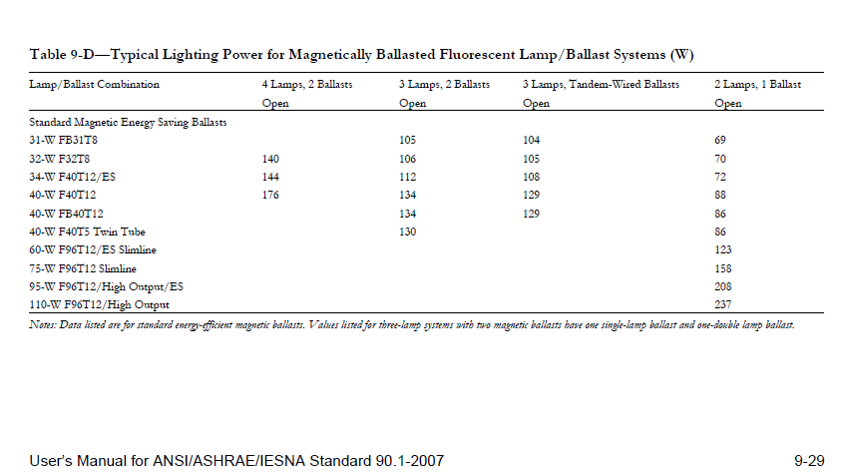
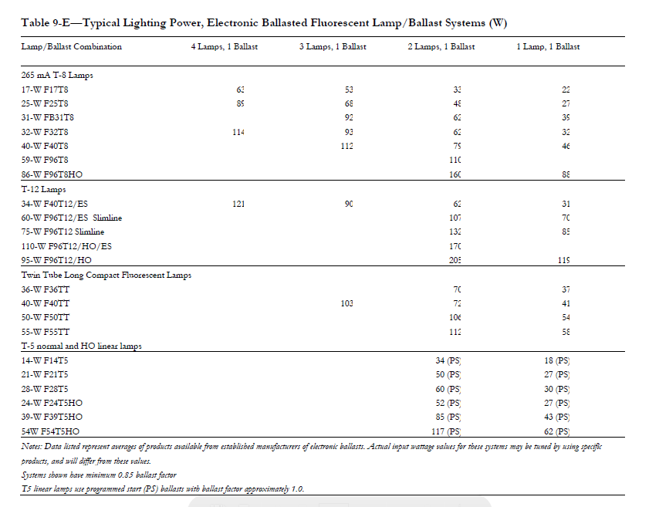
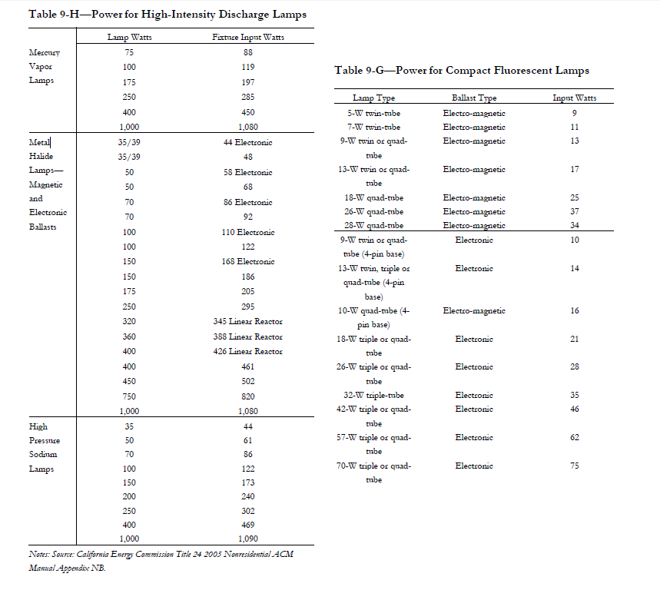
ASHRAE 90.1 - 2007 User Manual Lighting Tables

